Workout
Accounting and Financial Analysis

Workout
 | Calculate the following leverage ratios

 | Debt / equity
 | Debt / debt plus equity
 | Net debt / equity
 | Net debt / net debt plus equity
 | Net debt / EBITDA

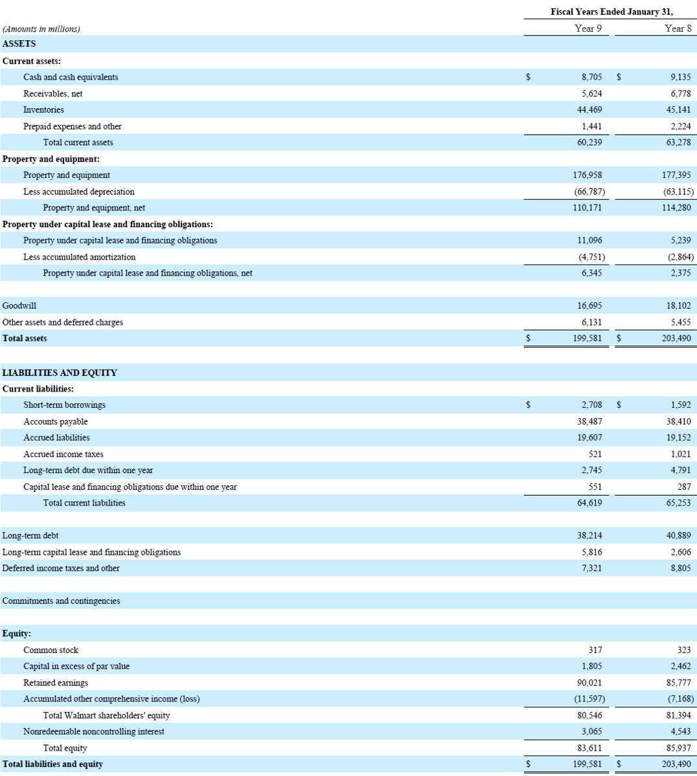

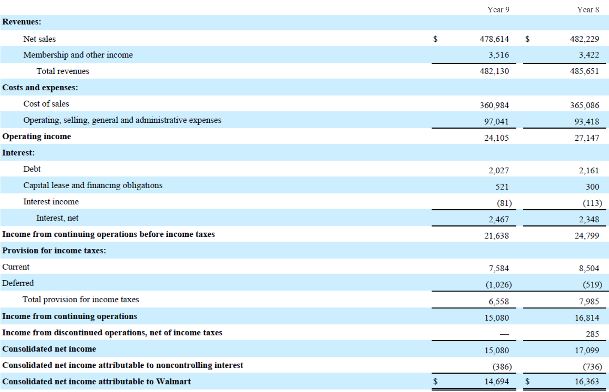

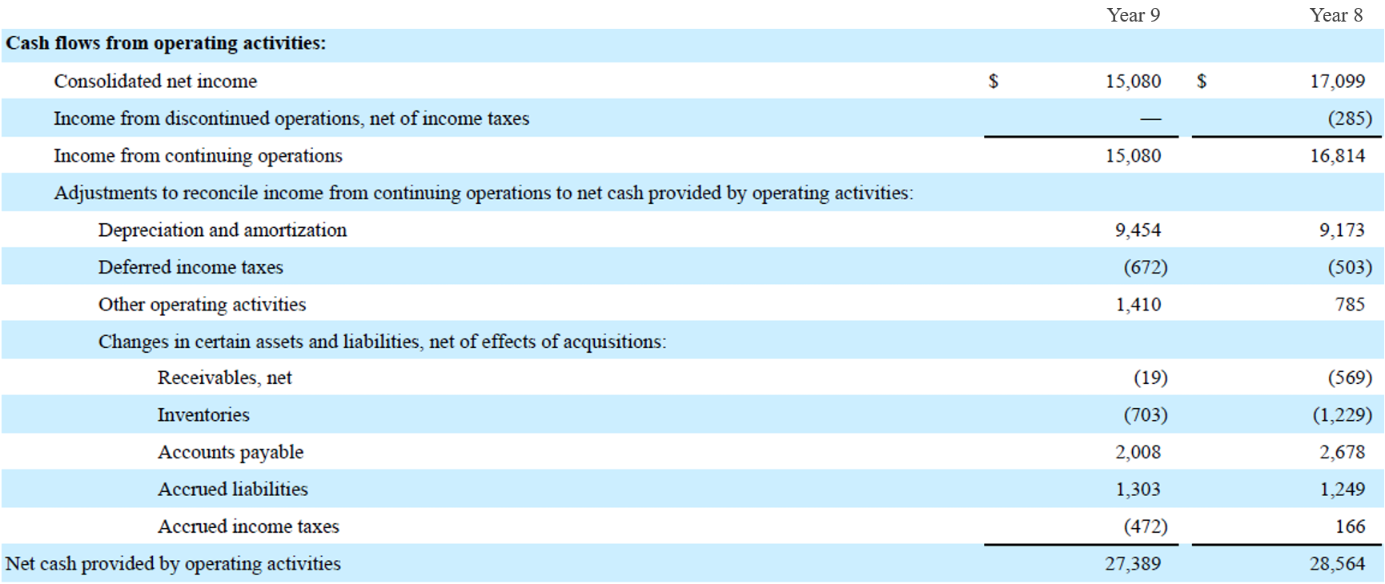

 |  | Year 9 | Year 8
 | Short term borrowings | 2,708.0 | 1,592.0
 | Long term debt due within one year | 2,745.0 | 4,791.0
 | Capital lease due within one year | 551.0 | 287.0
 | Long term debt | 38,214.0 | 40,889.0
 | Long term capital lease | 5,816.0 | 2,606.0
 | Total debt | 50,034.0 | 50,165.0

 | Cash and cash equivalents | 8,705.0 | 9,135.0
 | Net debt | 41,329.0 | 41,030.0

 | Total equity | 83,611.0 | 85,937.0

 | EBIT | 24,105.0 | 27,147.0
 | Depreciation and amortization | 9,454.0 | 9,173.0
 | EBITDA | 33,559.0 | 36,320.0

 | Debt / equity | 0.6 | 0.6
 | Debt / debt plus equity | 0.4 | 0.4
 | Net debt / equity | 0.5 | 0.5
 | Net debt / net debt plus equity | 0.3 | 0.3
 | Net debt / EBITDA | 1.2 | 1.1

End

